Sheet1
 |  |  |  |  |  |  |  |  |  |  |  |  |  |  |  |  |  |  |  | x0 | y0 | z0 |  | t (s) | x | y | z | h (total path length) |  |  |  |  |  | 125.000 | 0.0000 | 125.0000
Mert Emrem - 250203015 |  |  |  |  |  |  |  |  |  |  | d1 | 125 |  |  |  |  |  |  |  | 125 | 0 | 125 |  | 3.0 | -13.2645 | -12.24 | -25.51 | 31.25 |  |  |  |  |  | 111.735 | -12.2442 | 99.4913
ME460 - Project 1 |  |  |  |  |  |  |  |  |  |  | s3, max | 125 |  |  |  |  |  |  |  | x1 | y1 | z1 |  | Destination point of end effector precise to five decimal places.
Lengths in mm |  |  |  |  |  |  |  |  |  |  |  |  |  |  |  |  |  |  |  | 111.735 | -12.244 | 99.491 |  | t (s) | x | y | z | l | r | q1 (rad) | q2 (rad) | q1 (deg) | q2(deg) | s3 |  |  | q1 (rad) | q2 (rad) | s3 | Px | Py | Pz
Forward Kinematics |  |  |  |  |  |  |  |  |  |  | Inverse Kinematics |  |  |  |  |  |  |  |  |  |  |  | 0 | 0.00 | 125.000 | 0.000 | 125.000 | 0.000 | 125.000 | 0.000 | 0.000 | 0.000 | 0.000 | 125.000 |  | 0 | 0.000 | 0.000 | 125.000 | 125 | 0 | 125
q1 (deg) | q2 (deg) | s3 | q1 (rad) | 0.79 | R1x | 0 | R2x | 0 | Px | 62.27 | x | y | z | 0 | l | 65.00 | q1 (rad) | 0.60228734613 | q2 (rad) | 0.58998509811 | s3 | 116.83 | 1 | 0.03 | 124.996 | -0.004 | 124.992 | -0.008 | 124.996 | 0.000 | 0.000 | -0.002 | -0.003 | 124.996 |  | 1 | 0.000 | 0.000 | 124.996 | 124.99604717 | -0.00364876564 | 124.9923984
45 | 33 | 105 | q2 (rad) | 0.58 | R1y | 0 | R2y | 0 | Py | 62.27 | 80 | 55 | 190 | 0 | r | 97.08 | q1 (deg) | 34.508522988 | q2(deg) | 33.803656097 |  | 117 | 2 | 0.06 | 124.984 | -0.014 | 124.970 | -0.030 | 124.984 | 0.000 | 0.000 | -0.007 | -0.014 | 124.984 |  | 2 | 0.000 | 0.000 | 124.984 | 124.9842948 | -0.01449710912 | 124.96979768
x, y, z versus t
 |  |  |  |  | R1z | 0 | R2z | 125 | Pz | 182.19 |  |  |  | 0 | 0 |  |  |  |  |  |  |  | 3 | 0.09 | 124.965 | -0.032 | 124.933 | -0.067 | 124.965 | 0.000 | -0.001 | -0.015 | -0.031 | 124.965 |  | 3 | 0.000 | -0.001 | 124.965 | 124.96490205 | -0.03239810028 | 124.93250393
 |  |  |  |  |  |  |  |  |  |  |  |  |  |  | 0 |  |  |  |  |  |  |  | 4 | 0.12 | 124.938 | -0.057 | 124.881 | -0.119 | 124.938 | 0.000 | -0.001 | -0.026 | -0.055 | 124.938 |  | 4 | 0.000 | -0.001 | 124.938 | 124.93802812 | -0.05720480896 | 124.88082326
 | q2 (deg) |  |  |  |  |  |  |  |  |  | x_real | y_real |  |  | 125 |  |  |  |  |  |  |  | 5 | 0.15 | 124.904 | -0.089 | 124.815 | -0.185 | 124.904 | -0.001 | -0.001 | -0.041 | -0.085 | 124.904 |  | 5 | -0.001 | -0.001 | 124.904 | 124.90383216 | -0.088770305 | 124.81506178
 | 123 |  |  |  |  |  |  |  |  |  | 205 | 180 |  |  |  |  |  |  |  |  |  |  | 6 | 0.18 | 124.862 | -0.127 | 124.736 | -0.264 | 124.863 | -0.001 | -0.002 | -0.058 | -0.121 | 124.863 |  | 6 | -0.001 | -0.002 | 124.863 | 124.86247335 | -0.12694765824 | 124.73552559
 |  |  |  |  |  |  |  |  |  |  |  |  |  |  |  |  |  |  |  |  |  |  | 7 | 0.21 | 124.814 | -0.172 | 124.643 | -0.357 | 124.814 | -0.001 | -0.003 | -0.079 | -0.164 | 124.815 |  | 7 | -0.001 | -0.003 | 124.815 | 124.81411088 | -0.17158993852 | 124.6425208
Top view (x-y)
0.00 | 0.00
62.27 | 62.27
Side view (y-z)
0 | 0 | 0.00 | 125.00
0 | 125 | 62.27 | 182.19
Top view (x-y)
0 | 0
80 | 55
Side view (y-z)
0 | 0 | 0 | 125
0 | 125 | 55 | 190
 |  |  |  |  |  |  |  |  |  |  |  |  |  |  |  |  |  |  |  |  |  |  | 8 | 0.24 | 124.759 | -0.223 | 124.536 | -0.464 | 124.759 | -0.002 | -0.004 | -0.102 | -0.213 | 124.760 |  | 8 | -0.002 | -0.004 | 124.760 | 124.7589039 | -0.22255021568 | 124.53635351
 |  |  |  |  |  |  |  |  |  |  |  |  |  |  |  |  |  |  |  |  |  |  | 9 | 0.27 | 124.697 | -0.280 | 124.417 | -0.583 | 124.697 | -0.002 | -0.005 | -0.129 | -0.268 | 124.699 |  | 9 | -0.002 | -0.005 | 124.699 | 124.69701161 | -0.27968155956 | 124.41732982
 |  |  |  |  |  |  |  |  |  |  |  |  |  |  |  |  |  |  |  |  |  |  | 10 | 0.30 | 124.629 | -0.343 | 124.286 | -0.714 | 124.629 | -0.003 | -0.006 | -0.158 | -0.328 | 124.631 |  | 10 | -0.003 | -0.006 | 124.631 | 124.62859316 | -0.34283704 | 124.28575584
 |  |  |  |  |  |  |  |  |  |  |  |  |  |  |  |  |  |  |  |  |  |  | 11 | 0.33 | 124.554 | -0.412 | 124.142 | -0.858 | 124.554 | -0.003 | -0.007 | -0.189 | -0.395 | 124.557 |  | 11 | -0.003 | -0.007 | 124.557 | 124.55380774 | -0.41186972684 | 124.14193768
 |  |  |  |  |  |  |  |  |  |  |  |  |  |  |  |  |  |  |  |  |  |  | 12 | 0.36 | 124.473 | -0.487 | 123.986 | -1.014 | 124.474 | -0.004 | -0.008 | -0.224 | -0.467 | 124.478 |  | 12 | -0.004 | -0.008 | 124.478 | 124.47281452 | -0.48663268992 | 123.98618143
 |  |  |  |  |  |  |  |  |  |  |  |  |  |  |  |  |  |  |  |  |  |  | 13 | 0.39 | 124.386 | -0.567 | 123.819 | -1.181 | 124.387 | -0.005 | -0.009 | -0.261 | -0.544 | 124.393 |  | 13 | -0.005 | -0.009 | 124.393 | 124.38577267 | -0.56697899908 | 123.81879321
 |  |  |  |  |  |  |  |  |  |  |  |  |  |  |  |  |  |  |  |  |  |  | 14 | 0.42 | 124.293 | -0.653 | 123.640 | -1.360 | 124.295 | -0.005 | -0.011 | -0.301 | -0.627 | 124.302 |  | 14 | -0.005 | -0.011 | 124.302 | 124.29284138 | -0.65276172416 | 123.64007912
 |  |  |  |  |  |  |  |  |  |  |  |  |  |  |  |  |  |  |  |  |  |  | 15 | 0.45 | 124.194 | -0.744 | 123.450 | -1.550 | 124.196 | -0.006 | -0.012 | -0.343 | -0.715 | 124.206 |  | 15 | -0.006 | -0.012 | 124.206 | 124.1941798 | -0.743833935 | 123.45034526
 |  |  |  |  |  |  |  |  |  |  |  |  |  |  |  |  |  |  |  |  |  |  | 16 | 0.48 | 124.090 | -0.840 | 123.250 | -1.750 | 124.093 | -0.007 | -0.014 | -0.388 | -0.808 | 124.105 |  | 16 | -0.007 | -0.014 | 124.105 | 124.08994713 | -0.84004870144 | 123.24989774
 |  |  |  |  |  |  |  |  |  |  |  |  |  |  |  |  |  |  |  |  |  |  | 17 | 0.51 | 123.980 | -0.941 | 123.039 | -1.961 | 123.984 | -0.008 | -0.016 | -0.435 | -0.906 | 123.999 |  | 17 | -0.008 | -0.016 | 123.999 | 123.98030252 | -0.94125909332 | 123.03904266
 |  |  |  |  |  |  |  |  |  |  |  |  |  |  |  |  |  |  |  |  |  |  | 18 | 0.54 | 123.865 | -1.047 | 122.818 | -2.182 | 123.870 | -0.008 | -0.018 | -0.484 | -1.009 | 123.889 |  | 18 | -0.008 | -0.018 | 123.889 | 123.86540516 | -1.0473181805 | 122.81808613
 |  |  |  |  |  |  |  |  |  |  |  |  |  |  |  |  |  |  |  |  |  |  | 19 | 0.57 | 123.745 | -1.158 | 122.587 | -2.413 | 123.751 | -0.009 | -0.019 | -0.536 | -1.117 | 123.774 |  | 19 | -0.009 | -0.019 | 123.774 | 123.74541422 | -1.1580790328 | 122.58733424
 |  |  |  |  |  |  |  |  |  |  |  |  |  |  |  |  |  |  |  |  |  |  | 20 | 0.60 | 123.620 | -1.273 | 122.347 | -2.653 | 123.627 | -0.010 | -0.021 | -0.590 | -1.229 | 123.656 |  | 20 | -0.010 | -0.021 | 123.656 | 123.62048888 | -1.27339472 | 122.34709312
 |  |  |  |  |  |  |  |  |  |  |  |  |  |  |  |  |  |  |  |  |  |  | 21 | 0.63 | 123.491 | -1.393 | 122.098 | -2.902 | 123.499 | -0.011 | -0.023 | -0.646 | -1.346 | 123.533 |  | 21 | -0.011 | -0.023 | 123.533 | 123.49078831 | -1.393118312 | 122.09766886
q1 q2 versus t
 |  |  |  |  |  |  |  |  |  |  |  |  |  |  |  |  |  |  |  |  |  |  | 22 | 0.66 | 123.356 | -1.517 | 121.839 | -3.161 | 123.366 | -0.012 | -0.026 | -0.705 | -1.468 | 123.406 |  | 22 | -0.012 | -0.026 | 123.406 | 123.35647167 | -1.5171028787 | 121.83936756
 |  |  |  |  |  |  |  |  |  |  |  |  |  |  |  |  |  |  |  |  |  |  | 23 | 0.69 | 123.218 | -1.645 | 121.572 | -3.428 | 123.229 | -0.013 | -0.028 | -0.765 | -1.593 | 123.276 |  | 23 | -0.013 | -0.028 | 123.276 | 123.21769816 | -1.6452014899 | 121.57249533
 |  |  |  |  |  |  |  |  |  |  |  |  |  |  |  |  |  |  |  |  |  |  | 24 | 0.72 | 123.075 | -1.777 | 121.297 | -3.703 | 123.087 | -0.014 | -0.030 | -0.827 | -1.723 | 123.143 |  | 24 | -0.014 | -0.030 | 123.143 | 123.07462694 | -1.7772672154 | 121.29735827
 |  |  |  |  |  |  |  |  |  |  |  |  |  |  |  |  |  |  |  |  |  |  | 25 | 0.75 | 122.927 | -1.913 | 121.014 | -3.986 | 122.942 | -0.016 | -0.032 | -0.892 | -1.857 | 123.007 |  | 25 | -0.016 | -0.032 | 123.007 | 122.92741719 | -1.913153125 | 121.0142625
 |  |  |  |  |  |  |  |  |  |  |  |  |  |  |  |  |  |  |  |  |  |  | 26 | 0.78 | 122.776 | -2.053 | 120.724 | -4.276 | 122.793 | -0.017 | -0.035 | -0.958 | -1.995 | 122.868 |  | 26 | -0.017 | -0.035 | 122.868 | 122.77622807 | -2.0527122886 | 120.72351411
Front view (x-z)
 | d1
0 | 0 | 0.00 | 125.00
0 | 125 | 62.27 | 182.19
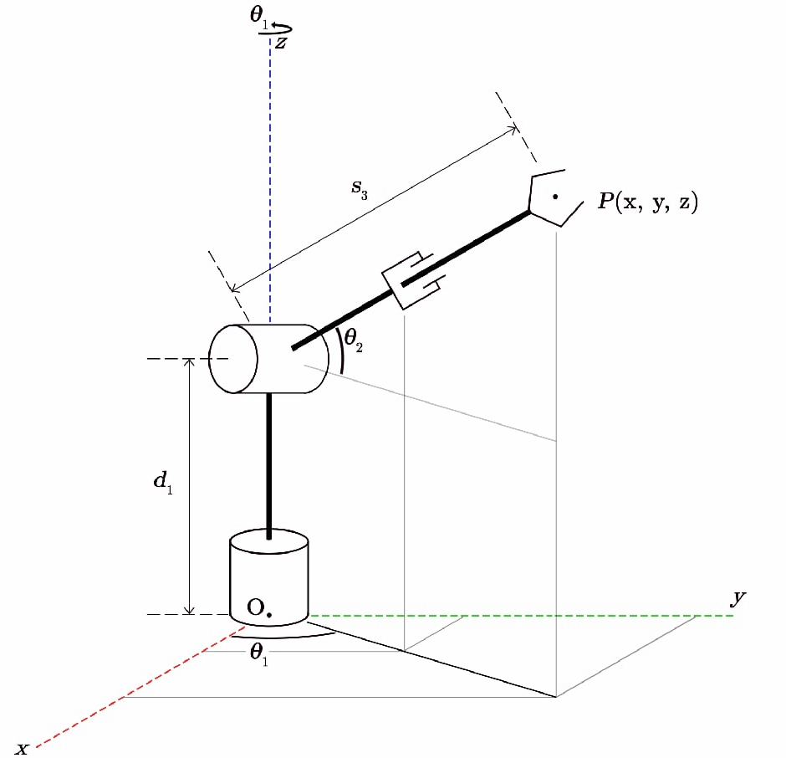
Front view (x-z)
 | d1
0 | 0 | 0 | 125
0 | 125 | 80 | 190
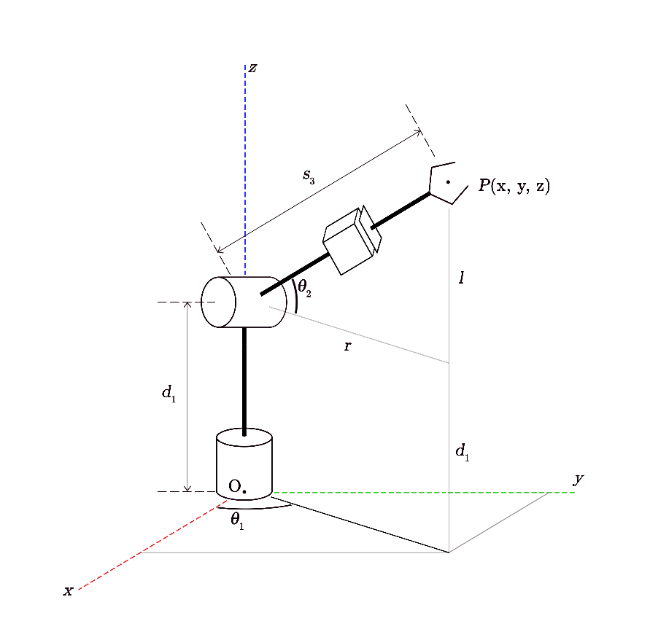
 |  |  |  |  |  |  |  |  |  |  |  |  |  |  |  |  |  |  |  |  |  |  | 27 | 0.81 | 122.621 | -2.196 | 120.425 | -4.575 | 122.641 | -0.018 | -0.037 | -1.026 | -2.136 | 122.726 |  | 27 | -0.018 | -0.037 | 122.726 | 122.62121878 | -2.1957977761 | 120.42541921
 |  |  |  |  |  |  |  |  |  |  |  |  |  |  |  |  |  |  |  |  |  |  | 28 | 0.84 | 122.463 | -2.342 | 120.120 | -4.880 | 122.485 | -0.019 | -0.040 | -1.096 | -2.281 | 122.582 |  | 28 | -0.019 | -0.040 | 122.582 | 122.46254847 | -2.3422626573 | 120.1202839
 |  |  |  |  |  |  |  |  |  |  |  |  |  |  |  |  |  |  |  |  |  |  | 29 | 0.87 | 122.300 | -2.492 | 119.808 | -5.192 | 122.326 | -0.020 | -0.042 | -1.167 | -2.430 | 122.436 |  | 29 | -0.020 | -0.042 | 122.436 | 122.30037633 | -2.491960002 | 119.80841429
 |  |  |  |  |  |  |  |  |  |  |  |  |  |  |  |  |  |  |  |  |  |  | 30 | 0.90 | 122.135 | -2.645 | 119.490 | -5.510 | 122.163 | -0.022 | -0.045 | -1.241 | -2.582 | 122.288 |  | 30 | -0.022 | -0.045 | 122.288 | 122.13486152 | -2.64474288 | 119.49011648
 |  |  |  |  |  |  |  |  |  |  |  |  |  |  |  |  |  |  |  |  |  |  | 31 | 0.93 | 121.966 | -2.800 | 119.166 | -5.834 | 121.998 | -0.023 | -0.048 | -1.315 | -2.738 | 122.138 |  | 31 | -0.023 | -0.048 | 122.138 | 121.96616323 | -2.8004643612 | 119.16569658
 |  |  |  |  |  |  |  |  |  |  |  |  |  |  |  |  |  |  |  |  |  |  | 32 | 0.96 | 121.794 | -2.959 | 118.835 | -6.165 | 121.830 | -0.024 | -0.051 | -1.392 | -2.897 | 121.986 |  | 32 | -0.024 | -0.051 | 121.986 | 121.79444062 | -2.9589775155 | 118.83546069
 |  |  |  |  |  |  |  |  |  |  |  |  |  |  |  |  |  |  |  |  |  |  | 33 | 0.99 | 121.620 | -3.120 | 118.500 | -6.500 | 121.660 | -0.026 | -0.053 | -1.470 | -3.058 | 121.833 |  | 33 | -0.026 | -0.053 | 121.833 | 121.61985288 | -3.1201354127 | 118.49971492
 |  |  |  |  |  |  |  |  |  |  |  |  |  |  |  |  |  |  |  |  |  |  | 34 | 1.02 | 121.443 | -3.284 | 118.159 | -6.841 | 121.487 | -0.027 | -0.056 | -1.549 | -3.223 | 121.679 |  | 34 | -0.027 | -0.056 | 121.679 | 121.44255917 | -3.2837911226 | 118.15876537
 |  |  |  |  |  |  |  |  |  |  |  |  |  |  |  |  |  |  |  |  |  |  | 35 | 1.05 | 121.263 | -3.450 | 117.813 | -7.187 | 121.312 | -0.028 | -0.059 | -1.630 | -3.391 | 121.524 |  | 35 | -0.028 | -0.059 | 121.524 | 121.26271867 | -3.449797715 | 117.81291814
 |  |  |  |  |  |  |  |  |  |  |  |  |  |  |  |  |  |  |  |  |  |  | 36 | 1.08 | 121.080 | -3.618 | 117.462 | -7.538 | 121.135 | -0.030 | -0.062 | -1.712 | -3.561 | 121.369 |  | 36 | -0.030 | -0.062 | 121.369 | 121.08049056 | -3.6180082598 | 117.46247934
 |  |  |  |  |  |  |  |  |  |  |  |  |  |  |  |  |  |  |  |  |  |  | 37 | 1.11 | 120.896 | -3.788 | 117.108 | -7.892 | 120.955 | -0.031 | -0.065 | -1.795 | -3.733 | 121.213 |  | 37 | -0.031 | -0.065 | 121.213 | 120.89603401 | -3.7882758269 | 117.10775508
 |  |  |  |  |  |  |  |  |  |  |  |  |  |  |  |  |  |  |  |  |  |  | 38 | 1.14 | 120.710 | -3.960 | 116.749 | -8.251 | 120.774 | -0.033 | -0.068 | -1.879 | -3.908 | 121.056 |  | 38 | -0.033 | -0.068 | 121.056 | 120.70950818 | -3.9604534861 | 116.74905146
 |  |  |  |  |  |  |  |  |  |  |  |  |  |  |  |  |  |  |  |  |  |  | 39 | 1.17 | 120.521 | -4.134 | 116.387 | -8.613 | 120.592 | -0.034 | -0.071 | -1.965 | -4.085 | 120.899 |  | 39 | -0.034 | -0.071 | 120.899 | 120.52107227 | -4.1343943072 | 116.38667459
 |  |  |  |  |  |  |  |  |  |  |  |  |  |  |  |  |  |  |  |  |  |  | 40 | 1.20 | 120.331 | -4.310 | 116.021 | -8.979 | 120.408 | -0.036 | -0.074 | -2.051 | -4.265 | 120.742 |  | 40 | -0.036 | -0.074 | 120.742 | 120.33088544 | -4.30995136 | 116.02093056
s3 versus t
 |  |  |  |  |  |  |  |  |  |  |  |  |  |  |  |  |  |  |  |  |  |  | 41 | 1.23 | 120.139 | -4.487 | 115.652 | -9.348 | 120.223 | -0.037 | -0.078 | -2.139 | -4.446 | 120.586 |  | 41 | -0.037 | -0.078 | 120.586 | 120.13910687 | -4.4869777144 | 115.65212549
 |  |  |  |  |  |  |  |  |  |  |  |  |  |  |  |  |  |  |  |  |  |  | 42 | 1.26 | 119.946 | -4.665 | 115.281 | -9.719 | 120.037 | -0.039 | -0.081 | -2.227 | -4.629 | 120.429 |  | 42 | -0.039 | -0.081 | 120.429 | 119.94589572 | -4.6653264403 | 115.28056547
 |  |  |  |  |  |  |  |  |  |  |  |  |  |  |  |  |  |  |  |  |  |  | 43 | 1.29 | 119.751 | -4.845 | 114.907 | -10.093 | 119.849 | -0.040 | -0.084 | -2.317 | -4.814 | 120.274 |  | 43 | -0.040 | -0.084 | 120.274 | 119.75141118 | -4.8448506075 | 114.90655662
 |  |  |  |  |  |  |  |  |  |  |  |  |  |  |  |  |  |  |  |  |  |  | 44 | 1.32 | 119.556 | -5.025 | 114.530 | -10.470 | 119.661 | -0.042 | -0.087 | -2.407 | -5.000 | 120.119 |  | 44 | -0.042 | -0.087 | 120.119 | 119.55581242 | -5.0254032858 | 114.53040503
 |  |  |  |  |  |  |  |  |  |  |  |  |  |  |  |  |  |  |  |  |  |  | 45 | 1.35 | 119.359 | -5.207 | 114.152 | -10.848 | 119.473 | -0.044 | -0.091 | -2.498 | -5.188 | 119.964 |  | 45 | -0.044 | -0.091 | 119.964 | 119.35925862 | -5.206837545 | 114.15241682
 |  |  |  |  |  |  |  |  |  |  |  |  |  |  |  |  |  |  |  |  |  |  | 46 | 1.38 | 119.162 | -5.389 | 113.773 | -11.227 | 119.284 | -0.045 | -0.094 | -2.589 | -5.377 | 119.811 |  | 46 | -0.045 | -0.094 | 119.811 | 119.16190894 | -5.389006455 | 113.77289808
 |  |  |  |  |  |  |  |  |  |  |  |  |  |  |  |  |  |  |  |  |  |  | 47 | 1.41 | 118.964 | -5.572 | 113.392 | -11.608 | 119.094 | -0.047 | -0.097 | -2.682 | -5.567 | 119.659 |  | 47 | -0.047 | -0.097 | 119.659 | 118.96392257 | -5.5717630857 | 113.39215493
 |  |  |  |  |  |  |  |  |  |  |  |  |  |  |  |  |  |  |  |  |  |  | 48 | 1.44 | 118.765 | -5.755 | 113.010 | -11.990 | 118.905 | -0.048 | -0.100 | -2.774 | -5.758 | 119.508 |  | 48 | -0.048 | -0.100 | 119.508 | 118.76545867 | -5.7549605069 | 113.01049346
 |  |  |  |  |  |  |  |  |  |  |  |  |  |  |  |  |  |  |  |  |  |  | 49 | 1.47 | 118.567 | -5.938 | 112.628 | -12.372 | 118.715 | -0.050 | -0.104 | -2.867 | -5.950 | 119.358 |  | 49 | -0.050 | -0.104 | 119.358 | 118.56667642 | -5.9384517884 | 112.62821978
 |  |  |  |  |  |  |  |  |  |  |  |  |  |  |  |  |  |  |  |  |  |  | 50 | 1.50 | 118.368 | -6.122 | 112.246 | -12.754 | 118.526 | -0.052 | -0.107 | -2.961 | -6.142 | 119.210 |  | 50 | -0.052 | -0.107 | 119.210 | 118.367735 | -6.12209 | 112.24564
 |  |  |  |  |  |  |  |  |  |  |  |  |  |  |  |  |  |  |  |  |  |  | 51 | 1.53 | 118.169 | -6.306 | 111.863 | -13.137 | 118.337 | -0.053 | -0.111 | -3.055 | -6.335 | 119.064 |  | 51 | -0.053 | -0.111 | 119.064 | 118.16879358 | -6.3057282116 | 111.86306022
 |  |  |  |  |  |  |  |  |  |  |  |  |  |  |  |  |  |  |  |  |  |  | 52 | 1.56 | 117.970 | -6.489 | 111.481 | -13.519 | 118.148 | -0.055 | -0.114 | -3.149 | -6.528 | 118.919 |  | 52 | -0.055 | -0.114 | 118.919 | 117.97001133 | -6.4892194931 | 111.48078654
 |  |  |  |  |  |  |  |  |  |  |  |  |  |  |  |  |  |  |  |  |  |  | 53 | 1.59 | 117.772 | -6.672 | 111.099 | -13.901 | 117.960 | -0.057 | -0.117 | -3.243 | -6.721 | 118.777 |  | 53 | -0.057 | -0.117 | 118.777 | 117.77154743 | -6.6724169143 | 111.09912507
 |  |  |  |  |  |  |  |  |  |  |  |  |  |  |  |  |  |  |  |  |  |  | 54 | 1.62 | 117.574 | -6.855 | 110.718 | -14.282 | 117.773 | -0.058 | -0.121 | -3.337 | -6.914 | 118.636 |  | 54 | -0.058 | -0.121 | 118.636 | 117.57356106 | -6.855173545 | 110.71838192
 |  |  |  |  |  |  |  |  |  |  |  |  |  |  |  |  |  |  |  |  |  |  | 55 | 1.65 | 117.376 | -7.037 | 110.339 | -14.661 | 117.587 | -0.060 | -0.124 | -3.431 | -7.107 | 118.497 |  | 55 | -0.060 | -0.124 | 118.497 | 117.37621138 | -7.037342455 | 110.33886318
 |  |  |  |  |  |  |  |  |  |  |  |  |  |  |  |  |  |  |  |  |  |  | 56 | 1.68 | 117.180 | -7.219 | 109.961 | -15.039 | 117.402 | -0.062 | -0.127 | -3.525 | -7.300 | 118.361 |  | 56 | -0.062 | -0.127 | 118.361 | 117.17965758 | -7.2187767142 | 109.96087497
 |  |  |  |  |  |  |  |  |  |  |  |  |  |  |  |  |  |  |  |  |  |  | 57 | 1.71 | 116.984 | -7.399 | 109.585 | -15.415 | 117.218 | -0.063 | -0.131 | -3.619 | -7.492 | 118.227 |  | 57 | -0.063 | -0.131 | 118.227 | 116.98405882 | -7.3993293925 | 109.58472338
 |  |  |  |  |  |  |  |  |  |  |  |  |  |  |  |  |  |  |  |  |  |  | 58 | 1.74 | 116.790 | -7.579 | 109.211 | -15.789 | 117.035 | -0.065 | -0.134 | -3.713 | -7.683 | 118.095 |  | 58 | -0.065 | -0.134 | 118.095 | 116.78957428 | -7.5788535597 | 109.21071453
 |  |  |  |  |  |  |  |  |  |  |  |  |  |  |  |  |  |  |  |  |  |  | 59 | 1.77 | 116.596 | -7.757 | 108.839 | -16.161 | 116.854 | -0.066 | -0.137 | -3.806 | -7.874 | 117.966 |  | 59 | -0.066 | -0.137 | 117.966 | 116.59636313 | -7.7572022856 | 108.83915451
 |  |  |  |  |  |  |  |  |  |  |  |  |  |  |  |  |  |  |  |  |  |  | 60 | 1.80 | 116.405 | -7.934 | 108.470 | -16.530 | 116.675 | -0.068 | -0.141 | -3.899 | -8.064 | 117.840 |  | 60 | -0.068 | -0.141 | 117.840 | 116.40458456 | -7.93422864 | 108.47034944
 |  |  |  |  |  |  |  |  |  |  |  |  |  |  |  |  |  |  |  |  |  |  | 61 | 1.83 | 116.214 | -8.110 | 108.105 | -16.895 | 116.497 | -0.070 | -0.144 | -3.992 | -8.252 | 117.716 |  | 61 | -0.070 | -0.144 | 117.716 | 116.21439773 | -8.1097856928 | 108.10460541
 |  |  |  |  |  |  |  |  |  |  |  |  |  |  |  |  |  |  |  |  |  |  | 62 | 1.86 | 116.026 | -8.284 | 107.742 | -17.258 | 116.321 | -0.071 | -0.147 | -4.084 | -8.439 | 117.595 |  | 62 | -0.071 | -0.147 | 117.595 | 116.02596182 | -8.2837265139 | 107.74222854
 |  |  |  |  |  |  |  |  |  |  |  |  |  |  |  |  |  |  |  |  |  |  | 63 | 1.89 | 115.839 | -8.456 | 107.384 | -17.616 | 116.148 | -0.073 | -0.151 | -4.175 | -8.624 | 117.476 |  | 63 | -0.073 | -0.151 | 117.476 | 115.83943599 | -8.4559041731 | 107.38352492
 |  |  |  |  |  |  |  |  |  |  |  |  |  |  |  |  |  |  |  |  |  |  | 64 | 1.92 | 115.655 | -8.626 | 107.029 | -17.971 | 115.976 | -0.074 | -0.154 | -4.266 | -8.808 | 117.360 |  | 64 | -0.074 | -0.154 | 117.360 | 115.65497944 | -8.6261717402 | 107.02880066
 |  |  |  |  |  |  |  |  |  |  |  |  |  |  |  |  |  |  |  |  |  |  | 65 | 1.95 | 115.473 | -8.794 | 106.678 | -18.322 | 115.807 | -0.076 | -0.157 | -4.355 | -8.990 | 117.248 |  | 65 | -0.076 | -0.157 | 117.248 | 115.47275133 | -8.794382285 | 106.67836186
 |  |  |  |  |  |  |  |  |  |  |  |  |  |  |  |  |  |  |  |  |  |  | 66 | 1.98 | 115.293 | -8.960 | 106.333 | -18.667 | 115.641 | -0.078 | -0.160 | -4.444 | -9.170 | 117.138 |  | 66 | -0.078 | -0.160 | 117.138 | 115.29291083 | -8.9603888774 | 106.33251463
 |  |  |  |  |  |  |  |  |  |  |  |  |  |  |  |  |  |  |  |  |  |  | 67 | 2.01 | 115.116 | -9.124 | 105.992 | -19.008 | 115.477 | -0.079 | -0.163 | -4.532 | -9.348 | 117.031 |  | 67 | -0.079 | -0.163 | 117.031 | 115.11561712 | -9.1240445873 | 105.99156508
 |  |  |  |  |  |  |  |  |  |  |  |  |  |  |  |  |  |  |  |  |  |  | 68 | 2.04 | 114.941 | -9.285 | 105.656 | -19.344 | 115.315 | -0.081 | -0.166 | -4.618 | -9.523 | 116.927 |  | 68 | -0.081 | -0.166 | 116.927 | 114.94102938 | -9.2852024845 | 105.65581931
 |  |  |  |  |  |  |  |  |  |  |  |  |  |  |  |  |  |  |  |  |  |  | 69 | 2.07 | 114.769 | -9.444 | 105.326 | -19.674 | 115.157 | -0.082 | -0.169 | -4.704 | -9.695 | 116.826 |  | 69 | -0.082 | -0.169 | 116.826 | 114.76930677 | -9.4437156388 | 105.32558342
 |  |  |  |  |  |  |  |  |  |  |  |  |  |  |  |  |  |  |  |  |  |  | 70 | 2.10 | 114.601 | -9.599 | 105.001 | -19.999 | 115.002 | -0.084 | -0.172 | -4.788 | -9.865 | 116.728 |  | 70 | -0.084 | -0.172 | 116.728 | 114.60060848 | -9.59943712 | 105.00116352
 |  |  |  |  |  |  |  |  |  |  |  |  |  |  |  |  |  |  |  |  |  |  | 71 | 2.13 | 114.435 | -9.752 | 104.683 | -20.317 | 114.850 | -0.085 | -0.175 | -4.871 | -10.032 | 116.633 |  | 71 | -0.085 | -0.175 | 116.633 | 114.43509367 | -9.752219998 | 104.68286571
 |  |  |  |  |  |  |  |  |  |  |  |  |  |  |  |  |  |  |  |  |  |  | 72 | 2.16 | 114.273 | -9.902 | 104.371 | -20.629 | 114.701 | -0.086 | -0.178 | -4.952 | -10.196 | 116.541 |  | 72 | -0.086 | -0.178 | 116.541 | 114.27292153 | -9.9019173427 | 104.3709961
 |  |  |  |  |  |  |  |  |  |  |  |  |  |  |  |  |  |  |  |  |  |  | 73 | 2.19 | 114.114 | -10.048 | 104.066 | -20.934 | 114.556 | -0.088 | -0.181 | -5.032 | -10.356 | 116.453 |  | 73 | -0.088 | -0.181 | 116.453 | 114.11425122 | -10.048382224 | 104.06586079
 |  |  |  |  |  |  |  |  |  |  |  |  |  |  |  |  |  |  |  |  |  |  | 74 | 2.22 | 113.959 | -10.191 | 103.768 | -21.232 | 114.414 | -0.089 | -0.183 | -5.110 | -10.513 | 116.367 |  | 74 | -0.089 | -0.183 | 116.367 | 113.95924193 | -10.191467711 | 103.76776589
 |  |  |  |  |  |  |  |  |  |  |  |  |  |  |  |  |  |  |  |  |  |  | 75 | 2.25 | 113.808 | -10.331 | 103.477 | -21.523 | 114.276 | -0.091 | -0.186 | -5.187 | -10.666 | 116.285 |  | 75 | -0.091 | -0.186 | 116.285 | 113.80805281 | -10.331026875 | 103.4770175
 |  |  |  |  |  |  |  |  |  |  |  |  |  |  |  |  |  |  |  |  |  |  | 76 | 2.28 | 113.661 | -10.467 | 103.194 | -21.806 | 114.142 | -0.092 | -0.189 | -5.261 | -10.816 | 116.206 |  | 76 | -0.092 | -0.189 | 116.206 | 113.66084306 | -10.466912785 | 103.19392173
 |  |  |  |  |  |  |  |  |  |  |  |  |  |  |  |  |  |  |  |  |  |  | 77 | 2.31 | 113.518 | -10.599 | 102.919 | -22.081 | 114.012 | -0.093 | -0.191 | -5.334 | -10.961 | 116.130 |  | 77 | -0.093 | -0.191 | 116.130 | 113.51777184 | -10.59897851 | 102.91878467
 |  |  |  |  |  |  |  |  |  |  |  |  |  |  |  |  |  |  |  |  |  |  | 78 | 2.34 | 113.379 | -10.727 | 102.652 | -22.348 | 113.885 | -0.094 | -0.194 | -5.405 | -11.102 | 116.057 |  | 78 | -0.094 | -0.194 | 116.057 | 113.37899833 | -10.727077121 | 102.65191244
 |  |  |  |  |  |  |  |  |  |  |  |  |  |  |  |  |  |  |  |  |  |  | 79 | 2.37 | 113.245 | -10.851 | 102.394 | -22.606 | 113.763 | -0.096 | -0.196 | -5.473 | -11.239 | 115.988 |  | 79 | -0.096 | -0.196 | 115.988 | 113.24468169 | -10.851061688 | 102.39361114
 |  |  |  |  |  |  |  |  |  |  |  |  |  |  |  |  |  |  |  |  |  |  | 80 | 2.40 | 113.115 | -10.971 | 102.144 | -22.856 | 113.646 | -0.097 | -0.198 | -5.540 | -11.371 | 115.921 |  | 80 | -0.097 | -0.198 | 115.921 | 113.11498112 | -10.97078528 | 102.14418688
 |  |  |  |  |  |  |  |  |  |  |  |  |  |  |  |  |  |  |  |  |  |  | 81 | 2.43 | 112.990 | -11.086 | 101.904 | -23.096 | 113.533 | -0.098 | -0.201 | -5.604 | -11.499 | 115.858 |  | 81 | -0.098 | -0.201 | 115.858 | 112.99005578 | -11.086100967 | 101.90394576
 |  |  |  |  |  |  |  |  |  |  |  |  |  |  |  |  |  |  |  |  |  |  | 82 | 2.46 | 112.870 | -11.197 | 101.673 | -23.327 | 113.424 | -0.099 | -0.203 | -5.665 | -11.621 | 115.798 |  | 82 | -0.099 | -0.203 | 115.798 | 112.87006484 | -11.19686182 | 101.67319387
 |  |  |  |  |  |  |  |  |  |  |  |  |  |  |  |  |  |  |  |  |  |  | 83 | 2.49 | 112.755 | -11.303 | 101.452 | -23.548 | 113.320 | -0.100 | -0.205 | -5.724 | -11.739 | 115.741 |  | 83 | -0.100 | -0.205 | 115.741 | 112.75516748 | -11.302920907 | 101.45223734
 |  |  |  |  |  |  |  |  |  |  |  |  |  |  |  |  |  |  |  |  |  |  | 84 | 2.52 | 112.646 | -11.404 | 101.241 | -23.759 | 113.221 | -0.101 | -0.207 | -5.781 | -11.851 | 115.687 |  | 84 | -0.101 | -0.207 | 115.687 | 112.64552287 | -11.404131299 | 101.24138226
 |  |  |  |  |  |  |  |  |  |  |  |  |  |  |  |  |  |  |  |  |  |  | 85 | 2.55 | 112.541 | -11.500 | 101.041 | -23.959 | 113.127 | -0.102 | -0.209 | -5.835 | -11.958 | 115.637 |  | 85 | -0.102 | -0.209 | 115.637 | 112.5412902 | -11.500346065 | 101.04093474
 |  |  |  |  |  |  |  |  |  |  |  |  |  |  |  |  |  |  |  |  |  |  | 86 | 2.58 | 112.443 | -11.591 | 100.851 | -24.149 | 113.039 | -0.103 | -0.210 | -5.886 | -12.059 | 115.589 |  | 86 | -0.103 | -0.210 | 115.589 | 112.44262862 | -11.591418276 | 100.85120088
 |  |  |  |  |  |  |  |  |  |  |  |  |  |  |  |  |  |  |  |  |  |  | 87 | 2.61 | 112.350 | -11.677 | 100.672 | -24.328 | 112.955 | -0.104 | -0.212 | -5.934 | -12.154 | 115.545 |  | 87 | -0.104 | -0.212 | 115.545 | 112.34969733 | -11.677201001 | 100.67248679
 |  |  |  |  |  |  |  |  |  |  |  |  |  |  |  |  |  |  |  |  |  |  | 88 | 2.64 | 112.263 | -11.758 | 100.505 | -24.495 | 112.877 | -0.104 | -0.214 | -5.979 | -12.244 | 115.504 |  | 88 | -0.104 | -0.214 | 115.504 | 112.26265548 | -11.75754731 | 100.50509857
 |  |  |  |  |  |  |  |  |  |  |  |  |  |  |  |  |  |  |  |  |  |  | 89 | 2.67 | 112.182 | -11.832 | 100.349 | -24.651 | 112.804 | -0.105 | -0.215 | -6.021 | -12.327 | 115.466 |  | 89 | -0.105 | -0.215 | 115.466 | 112.18166226 | -11.832310273 | 100.34934232
 |  |  |  |  |  |  |  |  |  |  |  |  |  |  |  |  |  |  |  |  |  |  | 90 | 2.70 | 112.107 | -11.901 | 100.206 | -24.794 | 112.737 | -0.106 | -0.216 | -6.060 | -12.404 | 115.431 |  | 90 | -0.106 | -0.216 | 115.431 | 112.10687684 | -11.90134296 | 100.20552416
 |  |  |  |  |  |  |  |  |  |  |  |  |  |  |  |  |  |  |  |  |  |  | 91 | 2.73 | 112.038 | -11.964 | 100.074 | -24.926 | 112.675 | -0.106 | -0.218 | -6.095 | -12.474 | 115.400 |  | 91 | -0.106 | -0.218 | 115.400 | 112.03845839 | -11.96449844 | 100.07395018
 |  |  |  |  |  |  |  |  |  |  |  |  |  |  |  |  |  |  |  |  |  |  | 92 | 2.76 | 111.977 | -12.022 | 99.955 | -25.045 | 112.620 | -0.107 | -0.219 | -6.128 | -12.538 | 115.371 |  | 92 | -0.107 | -0.219 | 115.371 | 111.9765661 | -12.021629784 | 99.954926495
 |  |  |  |  |  |  |  |  |  |  |  |  |  |  |  |  |  |  |  |  |  |  | 93 | 2.79 | 111.921 | -12.073 | 99.849 | -25.151 | 112.571 | -0.107 | -0.220 | -6.157 | -12.595 | 115.346 |  | 93 | -0.107 | -0.220 | 115.346 | 111.92135912 | -12.072590061 | 99.848759202
 |  |  |  |  |  |  |  |  |  |  |  |  |  |  |  |  |  |  |  |  |  |  | 94 | 2.82 | 111.873 | -12.117 | 99.756 | -25.244 | 112.527 | -0.108 | -0.221 | -6.182 | -12.644 | 115.324 |  | 94 | -0.108 | -0.221 | 115.324 | 111.87299665 | -12.117232342 | 99.755754409
 |  |  |  |  |  |  |  |  |  |  |  |  |  |  |  |  |  |  |  |  |  |  | 95 | 2.85 | 111.832 | -12.155 | 99.676 | -25.324 | 112.490 | -0.108 | -0.221 | -6.203 | -12.687 | 115.306 |  | 95 | -0.108 | -0.221 | 115.306 | 111.83163784 | -12.155409695 | 99.67621822
 |  |  |  |  |  |  |  |  |  |  |  |  |  |  |  |  |  |  |  |  |  |  | 96 | 2.88 | 111.797 | -12.187 | 99.610 | -25.390 | 112.460 | -0.109 | -0.222 | -6.221 | -12.722 | 115.290 |  | 96 | -0.109 | -0.222 | 115.290 | 111.79744188 | -12.186975191 | 99.61045674
 |  |  |  |  |  |  |  |  |  |  |  |  |  |  |  |  |  |  |  |  |  |  | 97 | 2.91 | 111.771 | -12.212 | 99.559 | -25.441 | 112.436 | -0.109 | -0.223 | -6.235 | -12.750 | 115.278 |  | 97 | -0.109 | -0.223 | 115.278 | 111.77056795 | -12.2117819 | 99.558776073
 |  |  |  |  |  |  |  |  |  |  |  |  |  |  |  |  |  |  |  |  |  |  | 98 | 2.94 | 111.751 | -12.230 | 99.521 | -25.479 | 112.418 | -0.109 | -0.223 | -6.245 | -12.770 | 115.269 |  | 98 | -0.109 | -0.223 | 115.269 | 111.7511752 | -12.229682891 | 99.521482324
 |  |  |  |  |  |  |  |  |  |  |  |  |  |  |  |  |  |  |  |  |  |  | 99 | 2.97 | 111.739 | -12.241 | 99.499 | -25.501 | 112.408 | -0.109 | -0.223 | -6.252 | -12.782 | 115.264 |  | 99 | -0.109 | -0.223 | 115.264 | 111.73942283 | -12.240531234 | 99.498881599
 |  |  |  |  |  |  |  |  |  |  |  |  |  |  |  |  |  |  |  |  |  |  | 100 | 3.00 | 111.735 | -12.244 | 99.491 | -25.509 | 112.404 | -0.109 | -0.223 | -6.254 | -12.786 | 115.262 |  | 100 | -0.109 | -0.223 | 115.262 | 111.73547 | -12.24418 | 99.49128

